Q3
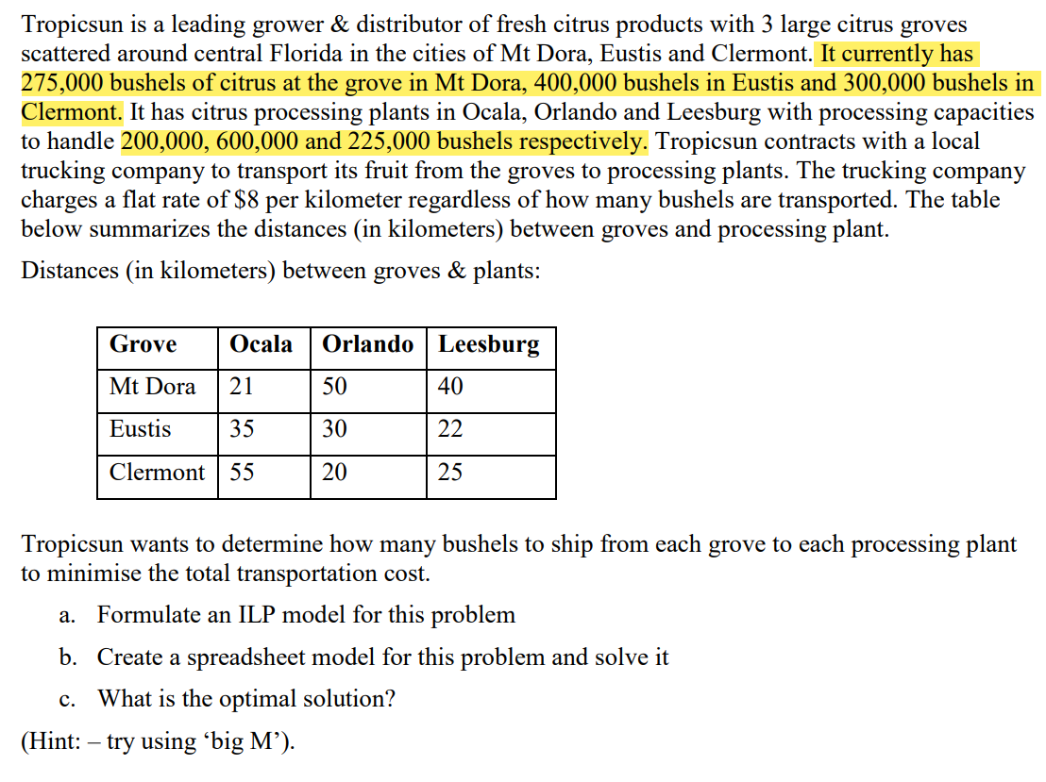

 | Supply
 | 275
 | 400
 | 300
sum = | 975

 | processing
 | 200
 | 600
 | 225
sum = | 1025

